Sheet1
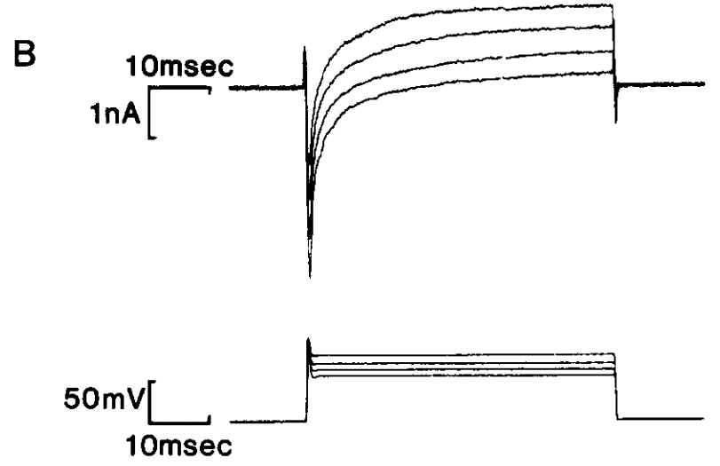
V_m | I_Na | I_K
10 | -1.41 | 1.52
0 | -2.01 | 1.08
-10 | -2.78 | 0.6
-20 | -3.51 | 0.25

